Sheet1
Career | Openness (0-100) | Conscientiousness (0-100) | Extraversion (0-100) | Agreeableness (0-100) | Neuroticism (0-100) | IQ (100 = average) | DISC | Enneagram | EI (0-100) | MBTI | SII | RIASEC | learning style |  |  |  |  |  | 6-9 years |  |  |  |  |  |  |  |  | 10-13 years
Medicine | 70-80 | 85-95 | 50-65 | 70-85 | 35-50 | 120-140 | CD | Type 2 | 85-95 | INFJ or ENFJ | I, S, C | I-S-R | Kinesthetic & Reading/Writing |  | Big 5 |  |  |  |  | IQ test |  |  | Learning Style |  |  | Enneagram
Engineering | 75-85 | 80-90 | 45-60 | 55-70 | 30-45 | 125-145 | C | Type 5 | 70-80 | INTJ or ENTJ | I, R, C | I-R-C | Kinesthetic & Visual |  | Neuroticism | Extraversion | Openness | Agreeableness | Conscientiousness | Essay | Normal | Hard | Audio | Visual | Reading/Writing
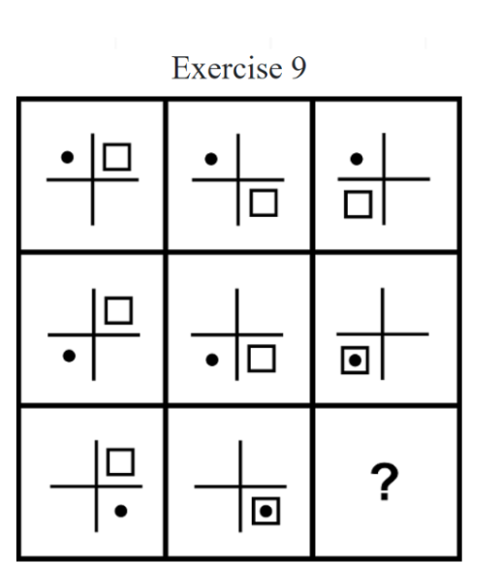
Law | 60-75 | 75-85 | 65-80 | 50-65 | 45-60 | 120-140 | D | Type 8 | 75-85 | ENTJ or INTJ | A, I, E | E-S-A | Auditory & Reading/Writing | Question | Do you sometimes worry about things? | Do you make new friends easily? | Do you like to imagine and think of new things? | Do you trust other people? | Do you finish your tasks or homework well? | Q1.What number comes next? 15 , 13 , 11 , 9 , 7 , __ | Q1. What is the next number in this sequence? 13 , 20 , 27 , 34 , 41 __ | Q1.Sarah has 3 baskets. Each basket contains 4 apples. How many apples does Sarah have in total? | Audio 1 Q1.It's April and it's ......... . Q2.We are in the park in ...... . Q3.In August we are at the ........ . Q4.In October it's ...... . Q5. In January we make a ....... . | How do you focus better when someone is talking? | The Earth orbits the Sun once every 365.25 days. This period of time is known as a year. To account for the extra 0.25 days, we add an extra day to the calendar every four years, creating what is known as a leap year. Question: How often do we have a leap year? Choices: a) Every year b) Every two years c) Every three years d) Every four years | 1. Type 1 :The Perfectionist | Do you strive for perfection? Do you hold yourself to very high standards?
Psychology | 75-85 | 70-80 | 65-80 | 75-90 | 45-60 | 110-130 | I | Type 4 | 85-95 | INFP or ENFP | S, I, C | S-I-A | Auditory & Reading/Writing |  | Do you get angry quickly? | Do you enjoy big parties or gatherings? | Do you enjoy daydreaming? | Do you enjoy helping others? | Do you like to clean up your toys and room? | Q2. Tom has 8 apples. He gives 3 apples to his friend. How many apples does Tom have now? | What is the next number in the following sequence? 1, 2, 4, 7, 11, ? |  |  |  |  | 2. Type 2 :The Giver | Do you work hard to be helpful to others? Do you like to be around people who you can help?
Teaching | 60-75 | 75-85 | 65-80 | 75-90 | 45-60 | 105-125 | IS | Type 9 | 80-90 | ENFJ OR INFJ | S, E, I | S-A-S | Kinesthetic & Auditory |  | Do you often feel sad? | Do you like to talk to many different people? | Do you love to read books and stories? | Do you think other people are good and kind? | Do you always keep your promises? |  |  |  |  |  |  | 3. Type 3 :The Achiever | Is it important to you to achieve great things? Do you set ambitious goals for yourself?
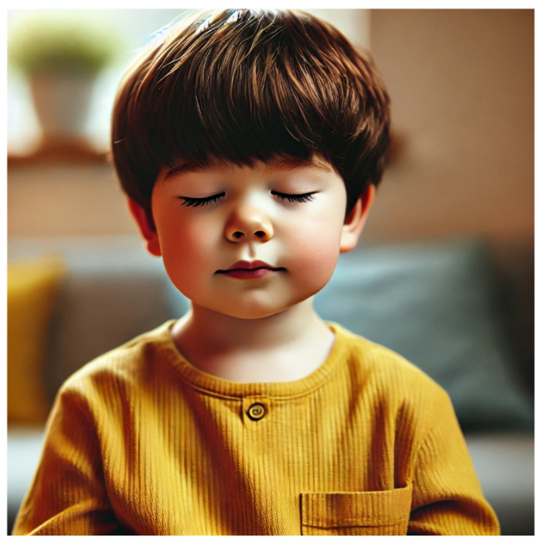
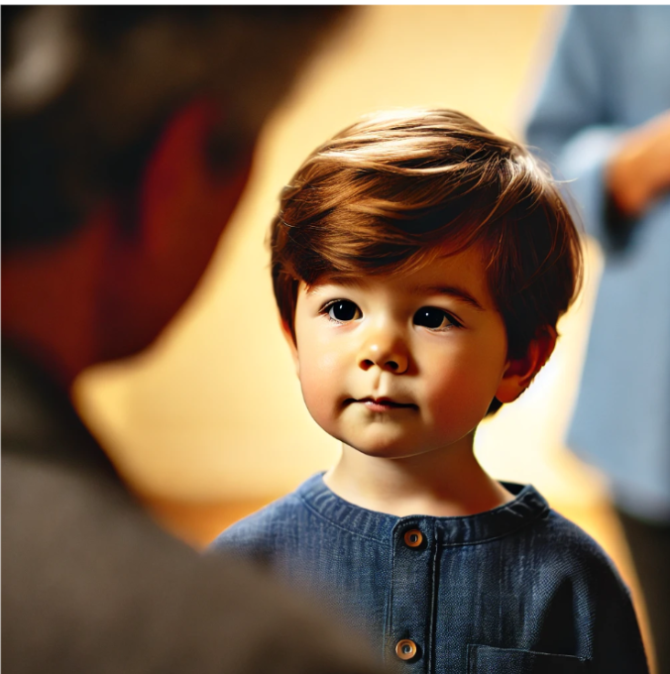
Business | 70-80 | 75-85 | 75-90 | 60-75 | 35-50 | 110-130 | DI | Type 3 | 80-90 | ESTJ or ISTJ | E, A, C | E-C-A | Auditory & Reading/Writing |  | Do you panic easily? | Do you feel comfortable around other people? | Do you like to see new and different places? | Do you feel bad when others are sad? | Do you work hard to do your best? |  |  |  | Audio 2 Q.1 The train is small. Q.2 The train is green. |  |  | 4. Type 4 :The Individualist | Do you feel your emotions very deeply? Have you always felt different from other people?

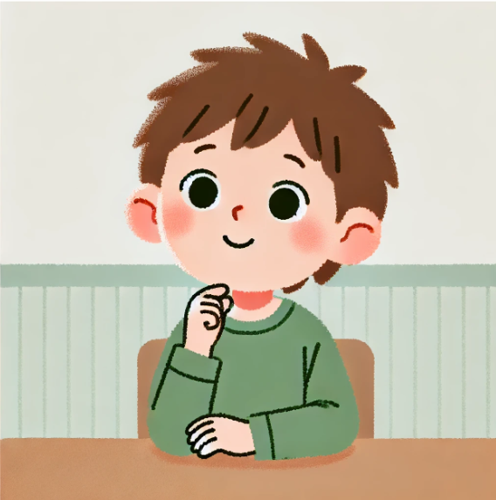
Art & Design | 85-95 | 60-75 | 45-60 | 55-70 | 55-70 | 95-115 | I | Type 4 | 70-80 | INFP or ENFP | A, I, C | A-I-C | Kinesthetic & Visual | Answer | Never Sometimes Often Always | Never Sometimes Often Always | Never Sometimes Often Always | Never Sometimes Often Always | Never Sometimes Often Always | Q1 a) 5 b) 2 c) 1 d) 3 Q2 a) 4 b) 5 c) 6 d) 7 | Q.1 a) 46 b) 50 c) 48 d) 55 Q.2 a) 13 b) 14 c) 15 d) 16 | a) 7 b) 10 c) 12 d) 15 | Q1. a) wet b) snowy Q2. a) umbrella b) June Q3. a)beach b)hot Q4. a) sunny b)windy Q5. a) hat b) snowman Audio 2 Q1. a)True b)False Q2. a)True b)False | Q1.How do you focus better when someone is talking? Q2.How do you remember things better? |  | 5. Type 5: The Investigator | Do you like thinking about things a lot? Do you want to know everything about how the world works?
Information Tech | 75-85 | 70-80 | 40-55 | 50-65 | 35-50 | 115-135 | C | Type 5 | 75-85 | ISTJ or ESTJ | I, R, C | I-R-C | Kinesthetic & Reading/Writing | Score | Never = 1 point Sometimes = 2 points Often = 3 points Always = 4 points | Never = 1 point Sometimes = 2 points Often = 3 points Always = 4 points | Never = 1 point Sometimes = 2 points Often = 3 points Always = 4 points | Never = 1 point Sometimes = 2 points Often = 3 points Always = 4 points | Never = 1 point Sometimes = 2 points Often = 3 points Always = 4 points | Right Answer: 2 Wrong Answer:1 | Right Answer: 3 Wrong Answer:1 | Right Answer: 4 Wrong Answer:1 | Right Answer: 2 Wrong Answer:0 |  |  | 6. Type 6: The Skeptic | Do you like being ready for anything bad that might happen? Do you always have a plan for what to do if something goes wrong?
Sales | 60-75 | 70-80 | 85-95 | 70-85 | 35-50 | 105-125 | ID | Type 3 | 80-90 | ESFP or ISFP | E, A, E | E-S-A | Kinesthetic & Auditory |  |  |  |  |  |  |  |  |  |  |  |  | 7. Type 7: The Enthusiast | Do you like finding things that make you happy or excited? Do you always want to try new adventures?
Marketing | 70-80 | 70-80 | 75-90 | 60-75 | 35-50 | 110-130 | DI | Type 7 | 80-90 | ENTP or INTP | E, A, C | E-A-S | Auditory & Visual |  |  |  |  |  |  |  |  |  |  |  |  | 8. Type 8: The Challenger | Do you tell people when you think they are wrong? Do you stand up for what you believe in, even if it makes others upset?
Finance | 70-80 | 85-95 | 50-65 | 50-65 | 35-50 | 115-135 | DC | Type 6 | 75-85 | ISTJ or ESTJ | I, R, C | C-E-C | Reading/Writing & Visual |  |  |  |  |  |  |  |  |  |  |  |  | 9. Type 9: The Peacemaker | Do you let other people decide what to do? Do you go along with what other people want?
Journalism | 75-85 | 70-80 | 75-90 | 60-75 | 45-60 | 110-130 | ID | Type 7 | 80-90 | ENFP or INFP | A, I, E | A-S-E | Auditory & Reading/Writing
Healthcare | 60-75 | 75-85 | 50-65 | 70-85 | 45-60 | 105-125 | SC | Type 2 | 80-90 | ISFJ or ESFJ | S, I, C | S-I-R | Kinesthetic & Reading/Writing
Architecture | 75-85 | 80-90 | 50-65 | 55-70 | 35-50 | 115-135 | C | Type 5 | 75-85 | INTJ or ENTJ | I, A, R | I-R-A | Kinesthetic & Visual
 |  |  |  |  |  |  |  |  |  |  |  |  |  |  |  |  |  |  |  |  |  | https://drive.google.com/drive/folders/1ortFff-jA19W8YtA-NALIT1aqfwW4gua?usp=sharing

Questions In Each Test
The Big Five Personality Test |  | learning style |  | DISC |  | Enneagram |  | EI (0-100) |  | MBTI |  | IQ | RIASEC
Worry about things |  | You tend to Improvise Prepare beforehand |  | In my work enviroment, it is most important to me To help co-workers and to be in a peaceful environment. To feel that my co-workers admire me and to be free from rigid rules. To know exactly what is expected of me and to finish one task before moving to another. To get things done and to see results. |  | I strive for perfection INACCURATE ACCURATE |  | I am very good at identifying the emotions I am feeling INACCURATE ACCURATE |  | You regularly make new friends. I strongly agree I moderately agree I agree I am not sure I disagree I moderately disagree I strongly disagree AGREE DISAGREE |  |  | Make a map of the bottom of an ocean
Make friends easily |  | You relax by Listening to music Doing physical activities |  | In my work enviroment, it is least important to me... To help co-workers and to be in a peaceful environment. To feel that my co-workers admire me and to be free from rigid rules. To know exactly what is expected of me and to finish one task before moving to another. To get things done and to see results. |  | I work hard to be helpful to others INACCURATE ACCURATE |  | I sometimes find it hard to figure out how people around me are feeling. INACCURATE ACCURATE |  | Complex and novel ideas excite you more than simple and straightforward ones. I strongly agree I moderately agree I agree I am not sure I disagree I moderately disagree I strongly disagree AGREE DISAGREE |  |  | Make a map of the bottom of an ocean
Have a vivid imagination |  | You try to fix problems Through discussion By trying different solutions yourself |  | When someone offers an opinion or conclusion and I disagree, I am most likely to... Tell them that I disagree. Say something humorous. Ask for more information. Nod and say nothing. |  | It is important to me that other people like me INACCURATE ACCURATE |  | I have control over my emotions. INACCURATE ACCURATE |  | You usually feel more persuaded by what resonates emotionally with you than by factual arguments. I strongly agree I moderately agree I agree I am not sure I disagree I moderately disagree I strongly disagree AGREE DISAGREE |  |  | Manage a clothing store
Trust others |  | You get your bearings in a new city by Looking at a map Walking around |  | When someone offers an opinion or conclusion and I disagree, I am least likely to... Tell them that I disagree. Say something humorous. Ask for more information. Nod and say nothing. |  | It is important to me to achieve great things INACCURATE ACCURATE |  | I regularly donate to charities that help people in need. INACCURATE ACCURATE |  | Your living and working spaces are clean and organized. I strongly agree I moderately agree I agree I am not sure I disagree I moderately disagree I strongly disagree AGREE DISAGREE |  |  | Teach children how to read
Complete tasks successfully |  | You want to be good at Fixing things Fixing people |  | When I am working on a team and we encounter a difficulty of some kind, I am most likely to say... Lighten up! Just go with the flow! Let's make a decision! How do you feel? I'd like to make sure that everyone is comfortable. Let's consider this more carefully? Do we have all of the data we need? |  | I make more significant contributions than the average person INACCURATE ACCURATE |  | I really enjoy socializing. INACCURATE ACCURATE |  | You usually stay calm, even under a lot of pressure. I strongly agree I moderately agree I agree I am not sure I disagree I moderately disagree I strongly disagree AGREE DISAGREE |  |  | Develop a new medical treatment or procedure
Get angry easily |  | You prefer to Keep your options open Commit |  | My attitude towards detail work — like research and data analysis — is most often... Great. I enjoy research and analysis. If it will get better and faster results, I'll do it. If it will make others think more highly of me, I'll do it. If it will help other people or make things easier, I'll do it. |  | I feel my emotions very deeply INACCURATE ACCURATE |  | I don't really like talking about the way I feel. INACCURATE ACCURATE |  | You find the idea of networking or promoting yourself to strangers very daunting. I strongly agree I moderately agree I agree I am not sure I disagree I moderately disagree I strongly disagree AGREE DISAGREE |  |  | Teach an individual an exercise routine
Love large parties |  | You prefer to Talk Listen |  | My attitude towards detail work — like research and data analysis — is least often... Great. I enjoy research and analysis. If it will get better and faster results, I'll do it. If it will make others think more highly of me, I'll do it. If it will help other people or make things easier, I'll do it. |  | I have a sense that other people will never truly understand me INACCURATE ACCURATE |  | I consider myself extremely lucky to have the life I do. INACCURATE ACCURATE |  | You prioritize and plan tasks effectively, often completing them well before the deadline. I strongly agree I moderately agree I agree I am not sure I disagree I moderately disagree I strongly disagree AGREE DISAGREE |  |  | Supervise the activities of children at a camp
Believe in the importance of art |  | You work best In groups Alone |  | When I am at an event with many people I have not yet met present, I am most likely to... Find a small group of people with whom I am already comfortable and speak with them in quiet conversation. Seek a good vantage point to observe the event and sit quietly unless someone speaks to me. Meet and talk with as many people as possible before the event is over. Go to the people I need to speak with to fulfill my purpose for attending. |  | I think deeply about things INACCURATE ACCURATE |  | I am highly aware of how I am feeling (my moods, emotions, etc.) INACCURATE ACCURATE |  | People’s stories and emotions speak louder to you than numbers or data. I strongly agree I moderately agree I agree I am not sure I disagree I moderately disagree I strongly disagree AGREE DISAGREE |  |  | Assemble electronic parts
Use others for my own ends |  | Parties are Exhausting Invigorating |  | When I am at an event with many people I have not yet met present, I am least likely to... Find a small group of people with whom I am already comfortable and speak with them in quiet conversation. Seek a good vantage point to observe the event and sit quietly unless someone speaks to me. Meet and talk with as many people as possible before the event is over. Go to the people I need to speak with to fulfill my purpose for attending. |  | I am prepared for any disaster INACCURATE ACCURATE |  | I am very good at reading body language. INACCURATE ACCURATE |  | You like to use organizing tools like schedules and lists. I strongly agree I moderately agree I agree I am not sure I disagree I moderately disagree I strongly disagree AGREE DISAGREE |  |  | Help people with family-related problems
Like to tidy up |  | You can focus better on what someone is saying When you look at them With your eyes closed |  | The way I see myself most is... Doing, driving, and accomplishing. Patient, kind, and helpful. Logical, factual, and correct. Friendly, fun, and persuasive. |  | It is important to me to avoid pain and suffering at all times INACCURATE ACCURATE |  | My emotions are under control. INACCURATE ACCURATE |  | Even a small mistake can cause you to doubt your overall abilities and knowledge. I strongly agree I moderately agree I agree I am not sure I disagree I moderately disagree I strongly disagree AGREE DISAGREE |  |  | Work in a biology lab
Often feel blue |  | When learning you want The big picture Details |  | The way I see myself least is... Doing, driving, and accomplishing. Patient, kind, and helpful. Logical, factual, and correct. Friendly, fun, and persuasive. |  | I seek out experiences that I know will make me feel happy or excited INACCURATE ACCURATE |  | I am very affected by advertisements about animal cruelty. INACCURATE ACCURATE |  | You feel comfortable just walking up to someone you find interesting and striking up a conversation. I strongly agree I moderately agree I agree I am not sure I disagree I moderately disagree I strongly disagree AGREE DISAGREE |  |  | Manage a department within a large company
Take charge |  | You focus on "Who?", "what?", and "when?" "Why?" |  | When I hear about a coming change, I am most likely to think... How does it affect me? Is there a good reason behind it? What will it do to results and speed? How does it affect everyone involved? |  | I see the positive in every situation INACCURATE ACCURATE |  | I am confident in social situations. INACCURATE ACCURATE |  | You are not too interested in discussions about various interpretations of creative works. I strongly agree I moderately agree I agree I am not sure I disagree I moderately disagree I strongly disagree AGREE DISAGREE |  |  | Give career guidance to people
Experience my emotions intensely |  | You tend to be Theoretical Empirical |  | When I hear about a coming change, I am least likely to think... How does it affect me? Is there a good reason behind it? What will it do to results and speed? How does it affect everyone involved? |  | I am not afraid to tell someone when I think they are wrong INACCURATE ACCURATE |  | I find it hard to put how I am feeling into words. INACCURATE ACCURATE |  | You prioritize facts over people’s feelings when determining a course of action. I strongly agree I moderately agree I agree I am not sure I disagree I moderately disagree I strongly disagree AGREE DISAGREE |  |  | Conduct biological research
Love to help others |  | You find yelling to be Difficult Natural |  | The most accurate way to describe my approach to work is... Plan your work and work your plan. How would you like for me to do this? Who will do this with me? Is there anyone to talk with while I work? Get it done. What's next? |  | I let other people make the decisions INACCURATE ACCURATE |  | I constantly feel grateful for the life I have. INACCURATE ACCURATE |  | You often allow the day to unfold without any schedule at all. I strongly agree I moderately agree I agree I am not sure I disagree I moderately disagree I strongly disagree AGREE DISAGREE |  |  | Maintain employee records
Keep my promises |  | When describing an event, you focus on What happened What it meant |  | The least accurate way to describe my approach to work is... Plan your work and work your plan. How would you like for me to do this? Who will do this with me? Is there anyone to talk with while I work? Get it done. What's next? |  | I appreciate having rules that people are expected to follow INACCURATE ACCURATE |  | I use very specific words to talk about how I am feeling. INACCURATE ACCURATE |  | You rarely worry about whether you make a good impression on people you meet. I strongly agree I moderately agree I agree I am not sure I disagree I moderately disagree I strongly disagree AGREE DISAGREE |  |  | Use a computer program to generate customer bills
Find it difficult to approach others |  | You like teaching others by Speaking with them Showing them how to do something |  | The type of work activities that I enjoy the most involve... Fast-paced, rapidly changing tasks that create progress. Working alone and focusing on the task at hand to create excellence. Comfortable and predictable tasks that support the team. Interacting with many people to create new ideas and energy. |  | I am concerned about security more than anything else INACCURATE ACCURATE |  | I have an acute sense of how people around me are feeling. INACCURATE ACCURATE |  | You enjoy participating in team-based activities. I strongly agree I moderately agree I agree I am not sure I disagree I moderately disagree I strongly disagree AGREE DISAGREE |  |  | Study the structure of the human body
Am always busy |  | You base morality on Justice Compassion |  | The type of work activities that I enjoy the least involve... Fast-paced, rapidly changing tasks that create progress. Working alone and focusing on the task at hand to create excellence. Comfortable and predictable tasks that support the team. Interacting with many people to create new ideas and energy. |  | I think a lot about what will happen in the future INACCURATE ACCURATE |  | I often get caught up in the heat of the moment. INACCURATE ACCURATE |  | You enjoy experimenting with new and untested approaches. I strongly agree I moderately agree I agree I am not sure I disagree I moderately disagree I strongly disagree AGREE DISAGREE |  |  | Conduct a musical choir
Prefer variety to routine |  | You like to Work hard Play hard |  | When I receive a phone call, I am most interested in… Talking with the person who called. What they want me to do. Why they called me. How I can help. |  | I don’t fit in with ordinary people INACCURATE ACCURATE |  | I am easily upset by the pain of other people. INACCURATE ACCURATE |  | You prioritize being sensitive over being completely honest. I strongly agree I moderately agree I agree I am not sure I disagree I moderately disagree I strongly disagree AGREE DISAGREE |  |  | Help elderly people with their daily activities
Love a good fight |  | You prefer to Fit in Stand out |  | When I receive a phone call, I am least interested in… Talking with the person who called. What they want me to do. Why they called me. How I can help. |  | There is rarely a good reason for changing how things are done INACCURATE ACCURATE |  | I consider myself to be charming. INACCURATE ACCURATE |  | You actively seek out new experiences and knowledge areas to explore. I strongly agree I moderately agree I agree I am not sure I disagree I moderately disagree I strongly disagree AGREE DISAGREE |  |  | Operate a beauty salon or barber shop
Work hard |  | You prefer to Make lists Rely on your memory |  | The thing someone could say that would have the most positive impact on me is… I really appreciate you. You are fantastic! You get a lot done. You do excellent work. |  | I always finish my chores INACCURATE ACCURATE |  | I use very specific words to talk about how I am feeling. INACCURATE ACCURATE |  | You are prone to worrying that things will take a turn for the worse. I strongly agree I moderately agree I agree I am not sure I disagree I moderately disagree I strongly disagree AGREE DISAGREE |  |  | Generate the monthly payroll checks for an office
Go on binges |  | You prefer Multiple choice tests Essay questions |  | The thing someone could say that would have the least positive impact on me is… I really appreciate you. You are fantastic! You get a lot done. You do excellent work. |  | I am always trying to be a better person INACCURATE ACCURATE |  | I often think about how fortunate I am. INACCURATE ACCURATE |  | You enjoy solitary hobbies or activities more than group ones. I strongly agree I moderately agree I agree I am not sure I disagree I moderately disagree I strongly disagree AGREE DISAGREE |  |  | Inventory supplies using a hand-held computer
Love excitement |  | You remember better if you Write it down Hear it |  | The projects or tasks that I enjoy the most allow me to… Collect and evaluate information to build plans or systems. Achieve big results and overcome a challenge. Do what I already know how to do at my own pace. Work with many different people on a wide range of tasks to keep things interesting. |  | I check carefully for mistakes and errors INACCURATE ACCURATE |  | I recognize emotions the moment I feel them. INACCURATE ACCURATE |  | You cannot imagine yourself writing fictional stories for a living. I strongly agree I moderately agree I agree I am not sure I disagree I moderately disagree I strongly disagree AGREE DISAGREE |  |  | Help people who have problems with drugs or alcohol
Love to read challenging material |  | When working on assignments You get them done right away You tend to procrastinate |  | The projects or tasks that I enjoy the least require me to… Collect and evaluate information to build plans or systems. Achieve big results and overcome a challenge. Do what I already know how to do at my own pace. Work with many different people on a wide range of tasks to keep things interesting. |  | I like to be around people who I can help INACCURATE ACCURATE |  | I am very good at reading nonverbal cues. INACCURATE ACCURATE |  | You favor efficiency in decisions, even if it means disregarding some emotional aspects. I strongly agree I moderately agree I agree I am not sure I disagree I moderately disagree I strongly disagree AGREE DISAGREE |  |  | Keep shipping and receiving records
Believe that I am better than others |  | You are Easily insulted Thick-skinned |  |  |  | I like to feel that I am an important person in my social groups INACCURATE ACCURATE |  | I move on very quickly from negative emotions and bad moods. INACCURATE ACCURATE |  | You prefer to do your chores before allowing yourself to relax. I strongly agree I moderately agree I agree I am not sure I disagree I moderately disagree I strongly disagree AGREE DISAGREE |  |  | Sell merchandise at a department store
Am always prepared |  | Emotions are Uncomfortable Valuable |  |  |  | It is important to me to be successful INACCURATE ACCURATE |  | I often feel compelled to act when I see someone suffering. INACCURATE ACCURATE |  | In disagreements, you prioritize proving your point over preserving the feelings of others. I strongly agree I moderately agree I agree I am not sure I disagree I moderately disagree I strongly disagree AGREE DISAGREE |  |  | Perform stunts for a movie or television show
Panic easily |  | When it comes to speaking in public You enjoy it You avoid it |  |  |  | The organizations I belong to would not function well without me INACCURATE ACCURATE |  | I am very good at getting people to laugh. INACCURATE ACCURATE |  | You usually wait for others to introduce themselves first at social gatherings. I strongly agree I moderately agree I agree I am not sure I disagree I moderately disagree I strongly disagree AGREE DISAGREE |  |  | Fix a broken faucet
Radiate joy |  | You prefer learning At home With others |  |  |  | I often feel overtaken by my emotions INACCURATE ACCURATE |  | Talking about how I am feeling usually improves my mood. INACCURATE ACCURATE |  | Your mood can change very quickly. I strongly agree I moderately agree I agree I am not sure I disagree I moderately disagree I strongly disagree AGREE DISAGREE |  |  | Test the quality of parts before shipment
Tend to vote for liberal political candidates |  | You are Chaotic Organized |  |  |  | I have always felt different from other people INACCURATE ACCURATE |  | I am often envious of people who seem to have better luck than I do. INACCURATE ACCURATE |  | You are not easily swayed by emotional arguments. I strongly agree I moderately agree I agree I am not sure I disagree I moderately disagree I strongly disagree AGREE DISAGREE |  |  | Design artwork for magazines
Sympathize with the homeless |  | You follow Your heart Your head |  |  |  | I like to analyze things from every angle INACCURATE ACCURATE |  | I find it hard to put how I am feeling into words. INACCURATE ACCURATE |  | You often end up doing things at the last possible moment. I strongly agree I moderately agree I agree I am not sure I disagree I moderately disagree I strongly disagree AGREE DISAGREE |  |  | Design sets for plays
Jump into things without thinking |  | You are a Free thinker Logical thinker |  |  |  | I always have a plan for what I would do if things go wrong INACCURATE ACCURATE |  | I can often tell how people feel just by looking at them. INACCURATE ACCURATE |  | You enjoy debating ethical dilemmas. I strongly agree I moderately agree I agree I am not sure I disagree I moderately disagree I strongly disagree AGREE DISAGREE |  |  | Write books or plays
Fear for the worst |  | You are Energetic Mellow |  |  |  | I avoid situations that bring up negative feelings INACCURATE ACCURATE |  | Once something upsets me, I find it hard to calm myself back down. INACCURATE ACCURATE |  | You usually prefer to be around others rather than on your own. I strongly agree I moderately agree I agree I am not sure I disagree I moderately disagree I strongly disagree AGREE DISAGREE |  |  | Study animal behavior
Feel comfortable around people |  | You want people's Respect Love |  |  |  | I seek excitement INACCURATE ACCURATE |  | I am a very empathetic person. INACCURATE ACCURATE |  | You become bored or lose interest when the discussion gets highly theoretical. I strongly agree I moderately agree I agree I am not sure I disagree I moderately disagree I strongly disagree AGREE DISAGREE |  |  | Study whales and other types of marine life
Enjoy wild flights of fantasy |  | You would prefer to Paint Sculpt |  |  |  | I am good at seeing the bright side of things when others complain INACCURATE ACCURATE |  | I have very good social skills. INACCURATE ACCURATE |  | When facts and feelings conflict, you usually find yourself following your heart. I strongly agree I moderately agree I agree I am not sure I disagree I moderately disagree I strongly disagree AGREE DISAGREE |  |  | Assemble products in a factory
Believe that others have good intentions |  | You are more focused on The present The future |  |  |  | I do not hesitate to call people out when they are behaving badly INACCURATE ACCURATE |  | I get annoyed when someone asks me to talk about my feelings. INACCURATE ACCURATE |  | You find it challenging to maintain a consistent work or study schedule. I strongly agree I moderately agree I agree I am not sure I disagree I moderately disagree I strongly disagree AGREE DISAGREE |  |  | Handle customers' bank transactions
Excel in what I do |  | You tend to plan Far ahead At the last minute |  |  |  | I go along with what other people want INACCURATE ACCURATE |  | I feel I deserve more than I've gotten in life. INACCURATE ACCURATE |  | You rarely second-guess the choices that you have made. I strongly agree I moderately agree I agree I am not sure I disagree I moderately disagree I strongly disagree AGREE DISAGREE |  |  | Play a musical instrument
Get irritated easily |  | Your workspace tends to be Clean Messy |  |  |  | People should follow the rules instead of doing what they feel like doing INACCURATE ACCURATE |  | I describe my emotional experiences vividly. INACCURATE ACCURATE |  | Your friends would describe you as lively and outgoing. I strongly agree I moderately agree I agree I am not sure I disagree I moderately disagree I strongly disagree AGREE DISAGREE |  |  | Operate a grinding machine in a factory
Talk to a lot of different people at parties |  | The first thing you do when you get a new device is Read the instructions Try it out |  |  |  | I seek out relationships that offer me some type of protection INACCURATE ACCURATE |  | I understand a lot just from other people's facial expressions. INACCURATE ACCURATE |  | You are drawn to various forms of creative expression, such as writing. I strongly agree I moderately agree I agree I am not sure I disagree I moderately disagree I strongly disagree AGREE DISAGREE |  |  | Do research on plants or animals
See beauty in things that others might not notice |  | Teachers make you feel Skeptical Reassured |  |  |  | I can clearly visualize what could happen in the future INACCURATE ACCURATE |  | I am sometimes overwhelmed by my emotions. INACCURATE ACCURATE |  | You usually base your choices on objective facts rather than emotional impressions. I strongly agree I moderately agree I agree I am not sure I disagree I moderately disagree I strongly disagree AGREE DISAGREE |  |  | Work on an offshore oil-drilling rig
Cheat to get ahead |  | Time alone Bores you Is vital to you |  |  |  | Average people often find me a bit weird INACCURATE ACCURATE |  | I constantly think about how much I care about the people in my life. INACCURATE ACCURATE |  | You like to have a to-do list for each day. I strongly agree I moderately agree I agree I am not sure I disagree I moderately disagree I strongly disagree AGREE DISAGREE |  |  | Sell restaurant franchises to individuals
Often forget to put things back in their proper place |  | You tend to Accept things Be unsatisfied |  |  |  | I like to do things as I’ve always done them INACCURATE ACCURATE |  | I am a very persuasive person. INACCURATE ACCURATE |  | You rarely feel insecure. I strongly agree I moderately agree I agree I am not sure I disagree I moderately disagree I strongly disagree AGREE DISAGREE |  |  | Direct a play
Dislike myself |  | You retain better With flashcards After hearing it spoken |  |  |  | I persist until a task is done INACCURATE ACCURATE |  | I have a rich emotional vocabulary. INACCURATE ACCURATE |  | You avoid making phone calls. I strongly agree I moderately agree I agree I am not sure I disagree I moderately disagree I strongly disagree AGREE DISAGREE |  |  | Operate a calculator
Try to lead others |  |  |  |  |  | I spend time trying to discover and correct my faults and weaknesses INACCURATE ACCURAT |  | I can tell if someone is upset without them having to say anything. INACCURATE ACCURATE |  | You enjoy exploring unfamiliar ideas and viewpoints. I strongly agree I moderately agree I agree I am not sure I disagree I moderately disagree I strongly disagree AGREE DISAGREE |  |  | Sell houses
Feel others' emotions |  |  |  |  |  | I hold myself to very high standards INACCURATE ACCURATE |  | I often can't go about my day because of the emotions I am feeling. INACCURATE ACCURATE |  | You can easily connect with people you have just met. I strongly agree I moderately agree I agree I am not sure I disagree I moderately disagree I strongly disagree AGREE DISAGREE |  |  | Write a song
Am concerned about others |  |  |  |  |  | I am a natural caretaker INACCURATE ACCURATE |  | I am very concerned about poverty and injustice in the world. INACCURATE ACCURATE |  | If your plans are interrupted, your top priority is to get back on track as soon as possible. I strongly agree I moderately agree I agree I am not sure I disagree I moderately disagree I strongly disagree AGREE DISAGREE |  |  | Manage the operations of a hotel
Tell the truth |  |  |  |  |  | I want people to admire me INACCURATE ACCURATE |  | I don't really like networking. INACCURATE ACCURATE |  | You are still bothered by mistakes that you made a long time ago. I strongly agree I moderately agree I agree I am not sure I disagree I moderately disagree I strongly disagree AGREE DISAGREE |  |  | Run a toy store
Am afraid to draw attention to myself |  |  |  |  |  | I want to achieve a lot in my life INACCURATE ACCURATE |  | I am consistently aware of what kind of mood I'm in. INACCURATE ACCURATE |  | You are not too interested in discussing theories on what the world could look like in the future. I strongly agree I moderately agree I agree I am not sure I disagree I moderately disagree I strongly disagree AGREE DISAGREE |  |  | Compute and record statistical and other numerical data
Am always on the go |  |  |  |  |  | If I am honest, I feel that I am a bit better than other people INACCURATE ACCURATE |  | I am good at understanding how people feel, even when they don't say so out loud. INACCURATE ACCURATE |  | Your emotions control you more than you control them. I strongly agree I moderately agree I agree I am not sure I disagree I moderately disagree I strongly disagree AGREE DISAGREE |  |  | Lay brick or tile
Prefer to stick with things that I know |  |  |  |  |  | I feel a deep sense of grief for what I have lost INACCURATE ACCURATE |  | I find it easy to cheer myself up when I am feeling sad or unmotivated. INACCURATE ACCURATE |  | When making decisions, you focus more on how the affected people might feel than on what is most logical or efficient. I strongly agree I moderately agree I agree I am not sure I disagree I moderately disagree I strongly disagree AGREE DISAGREE
Yell at people\ |  |  |  |  |  | I am an unusual sort of person INACCURATE ACCURATE |  | I am good at keeping track of how I'm feeling throughout the day. INACCURATE ACCURATE |  | Your personal work style is closer to spontaneous bursts of energy than organized and consistent efforts. I strongly agree I moderately agree I agree I am not sure I disagree I moderately disagree I strongly disagree AGREE DISAGREE
Do more than what's expected of me |  |  |  |  |  | I take time to understand things more deeply than most people do INACCURATE ACCURATE |  | I sometimes find other people hard to read. INACCURATE ACCURATE |  | When someone thinks highly of you, you wonder how long it will take them to feel disappointed in you. I strongly agree I moderately agree I agree I am not sure I disagree I moderately disagree I strongly disagree AGREE DISAGREE
Rarely overindulge |  |  |  |  |  | It is important to me to be prepared for any emergency INACCURATE ACCURATE |  | I control my emotions; my emotions don't control me. INACCURATE ACCURATE |  | You would love a job that requires you to work alone most of the time. I strongly agree I moderately agree I agree I am not sure I disagree I moderately disagree I strongly disagree AGREE DISAGREE
Seek adventure |  |  |  |  |  | I distract myself from any sad feelings that arise INACCURATE ACCURATE |  | It sometimes takes me a while to register how I'm actually feeling. INACCURATE ACCURATE |  | You believe that pondering abstract philosophical questions is a waste of time. I strongly agree I moderately agree I agree I am not sure I disagree I moderately disagree I strongly disagree AGREE DISAGREE
Avoid philosophical discussions |  |  |  |  |  | I often make changes in my life when things get boring INACCURATE ACCURATE |  |  |  | You feel more drawn to busy, bustling atmospheres than to quiet, intimate places. I strongly agree I moderately agree I agree I am not sure I disagree I moderately disagree I strongly disagree AGREE DISAGREE
Think highly of myself |  |  |  |  |  | I tend to be more optimistic than most people INACCURATE ACCURATE |  |  |  | If a decision feels right to you, you often act on it without needing further proof. I strongly agree I moderately agree I agree I am not sure I disagree I moderately disagree I strongly disagree AGREE DISAGREE
Carry out my plans |  |  |  |  |  | I tell people what I think, even if it is hard to hear INACCURATE ACCURATE |  |  |  | You often feel overwhelmed. I strongly agree I moderately agree I agree I am not sure I disagree I moderately disagree I strongly disagree AGREE DISAGREE
Have a lot of fun |  |  |  |  |  | I would rather follow the group than push for what I want INACCURATE ACCURATE |  |  |  | You complete things methodically without skipping over any steps. I strongly agree I moderately agree I agree I am not sure I disagree I moderately disagree I strongly disagree AGREE DISAGREE
Believe that there is no absolute right and wrong |  |  |  |  |  | I feel most comfortable in organizations with a clear hierarchy INACCURATE ACCURATE |  |  |  | You prefer tasks that require you to come up with creative solutions rather than follow concrete steps. I strongly agree I moderately agree I agree I am not sure I disagree I moderately disagree I strongly disagree AGREE DISAGREE
Feel sympathy for those who are worse off than myself |  |  |  |  |  | I take measures to protect myself and my loved ones from harm INACCURATE ACCURATE |  |  |  | You are more likely to rely on emotional intuition than logical reasoning when making a choice. I strongly agree I moderately agree I agree I am not sure I disagree I moderately disagree I strongly disagree AGREE DISAGREE
Make rash decisions |  |  |  |  |  | I make plans for many years into the future INACCURATE ACCURATE |  |  |  | You struggle with deadlines. I strongly agree I moderately agree I agree I am not sure I disagree I moderately disagree I strongly disagree AGREE DISAGREE
Am afraid of many things |  |  |  |  |  | I am an unusually unique person INACCURATE ACCURATE |  |  |  | You feel confident that things will work out for you. I strongly agree I moderately agree I agree I am not sure I disagree I moderately disagree I strongly disagree AGREE DISAGREE
Avoid contacts with others |  |  |  |  |  | I dislike trying new methods or procedures INACCURATE ACCURATE
Love to daydream |  |  |  |  |  | I focus on my responsibilities and duties INACCURATE ACCURATE
Trust what people say |  |  |  |  |  | I read books that help me be more productive or better at what I do INACCURATE ACCURATE
Handle tasks smoothly |  |  |  |  |  | I put a lot of pressure on myself to do things right INACCURATE ACCURATE
Lose my temper |  |  |  |  |  | I take the initiative to help other people and make their lives easier INACCURATE ACCURATE
Prefer to be alone |  |  |  |  |  | I put in the effort to make a good impression on other people INACCURATE ACCURATE
Do not like poetry |  |  |  |  |  | I set ambitious goals for myself INACCURATE ACCURATE
Take advantage of others |  |  |  |  |  | I am an important member of my social groups INACCURATE ACCURATE
Leave a mess in my room |  |  |  |  |  | I can describe my emotions in a lot of depth and detail INACCURATE ACCURATE
Am often down in the dumps |  |  |  |  |  | I often feel like an outsider INACCURATE ACCURATE
Take control of things |  |  |  |  |  | I find my mind to be a very interesting place INACCURATE ACCURATE
Rarely notice my emotional reactions |  |  |  |  |  | I am always aware of what can go wrong in a situation INACCURATE ACCURATE
Am indifferent to the feelings of others |  |  |  |  |  | I have many ways of avoiding situations that get me down INACCURATE ACCURATE
Break rules |  |  |  |  |  | I am always up for a new adventure INACCURATE ACCURATE
Only feel comfortable with friends |  |  |  |  |  | I believe that things usually work out for the best INACCURATE ACCURATE
Do a lot in my spare time |  |  |  |  |  | I stand up for what I believe in, even if it upsets other people INACCURATE ACCURATE
Dislike changes |  |  |  |  |  | I let other people take the lead INACCURATE ACCURATE
Insult people |  |  |  |  |  | I dislike people who disrupt things by breaking the rules INACCURATE ACCURATE
Do just enough work to get by |  |  |  |  |  | I make alliances with people who can help me stay safe and secure INACCURATE ACCURATE
Easily resist temptations |  |  |  |  |  | I am often looking ahead, toward what is coming next INACCURATE ACCURATE
Enjoy being reckless |  |  |  |  |  | I have different interests than most people INACCURATE ACCURATE
Have difficulty understanding abstract ideas |  |  |  |  |  | The traditional way of doing things is the best way INACCURATE ACCURATE
Have a high opinion of myself |  |  |  |  |  | I am a responsible and reliable person INACCURATE ACCURATE
Waste my time |  |  |  |  |  | I have a lot of plans for how I can improve myself INACCURATE ACCURATE
Feel that I'm unable to deal with things |  |  |  |  |  | I make sure that even small details are correct INACCURATE ACCURATE
Love life |  |  |  |  |  | I enjoy caring for others and their needs INACCURATE ACCURATE
Tend to vote for conservative political candidates |  |  |  |  |  | I want to be a person that others can look up to INACCURATE ACCURATE
Am not interested in other people's problems |  |  |  |  |  | I push myself to succeed INACCURATE ACCURATE
Rush into things |  |  |  |  |  | I make important contributions to my community INACCURATE ACCURATE
Get stressed out easily |  |  |  |  |  | I rarely have strong emotions INACCURATE ACCURATE
Keep others at a distance |  |  |  |  |  | I feel I never truly belong in social groups INACCURATE ACCURATE
Like to get lost in thought |  |  |  |  |  | I want to learn as much as I can about how the world works INACCURATE ACCURATE
Distrust people |  |  |  |  |  | It is important for me to understand what can go wrong in a situation INACCURATE ACCURATE
Know how to get things done |  |  |  |  |  | I take steps to ensure I don't feel sad or lonely INACCURATE ACCURATE
Am not easily annoyed |  |  |  |  |  | Trying new things keeps life interesting INACCURATE ACCURATE
Avoid crowds |  |  |  |  |  | I am an upbeat person INACCURATE ACCURATE
Do not enjoy going to art museums |  |  |  |  |  | I am usually the one to take a stand when others won’t INACCURATE ACCURATE
Obstruct others' plans |  |  |  |  |  | Other people have stronger opinions than I do INACCURATE ACCURATE
Leave my belongings around |  |  |  |  |  | Everyone has a role to play in society and a duty to do their best INACCURATE ACCURATE
Feel comfortable with myself |  |  |  |  |  | I am concerned with protecting what I have INACCURATE ACCURATE
Wait for others to lead the way |  |  |  |  |  | I have a good sense of what my future holds INACCURATE ACCURATE
Don't understand people who get emotional |  |  |  |  |  | I am an average person with ordinary likes and dislikes INACCURATE ACCURATE
Take no time for others |  |  |  |  |  | I try new ways of doing things just to see if they will work INACCURATE ACCURATE
Break my promises |  |  |  |  |  | I have a great deal of willpower INACCURATE ACCURATE
Am not bothered by difficult social situations |  |  |  |  |  | Self improvement is a major interest of mine INACCURATE ACCURATE
Like to take it easy
Am attached to conventional ways
Get back at others
Put little time and effort into my work
Am able to control my cravings
Act wild and crazy
Am not interested in theoretical discussions
Boast about my virtues
Have difficulty starting tasks
Remain calm under pressure
Look at the bright side of life
Believe that we should be tough on crime
Try not to think about the needy
Act without thinking

